FINAL CG
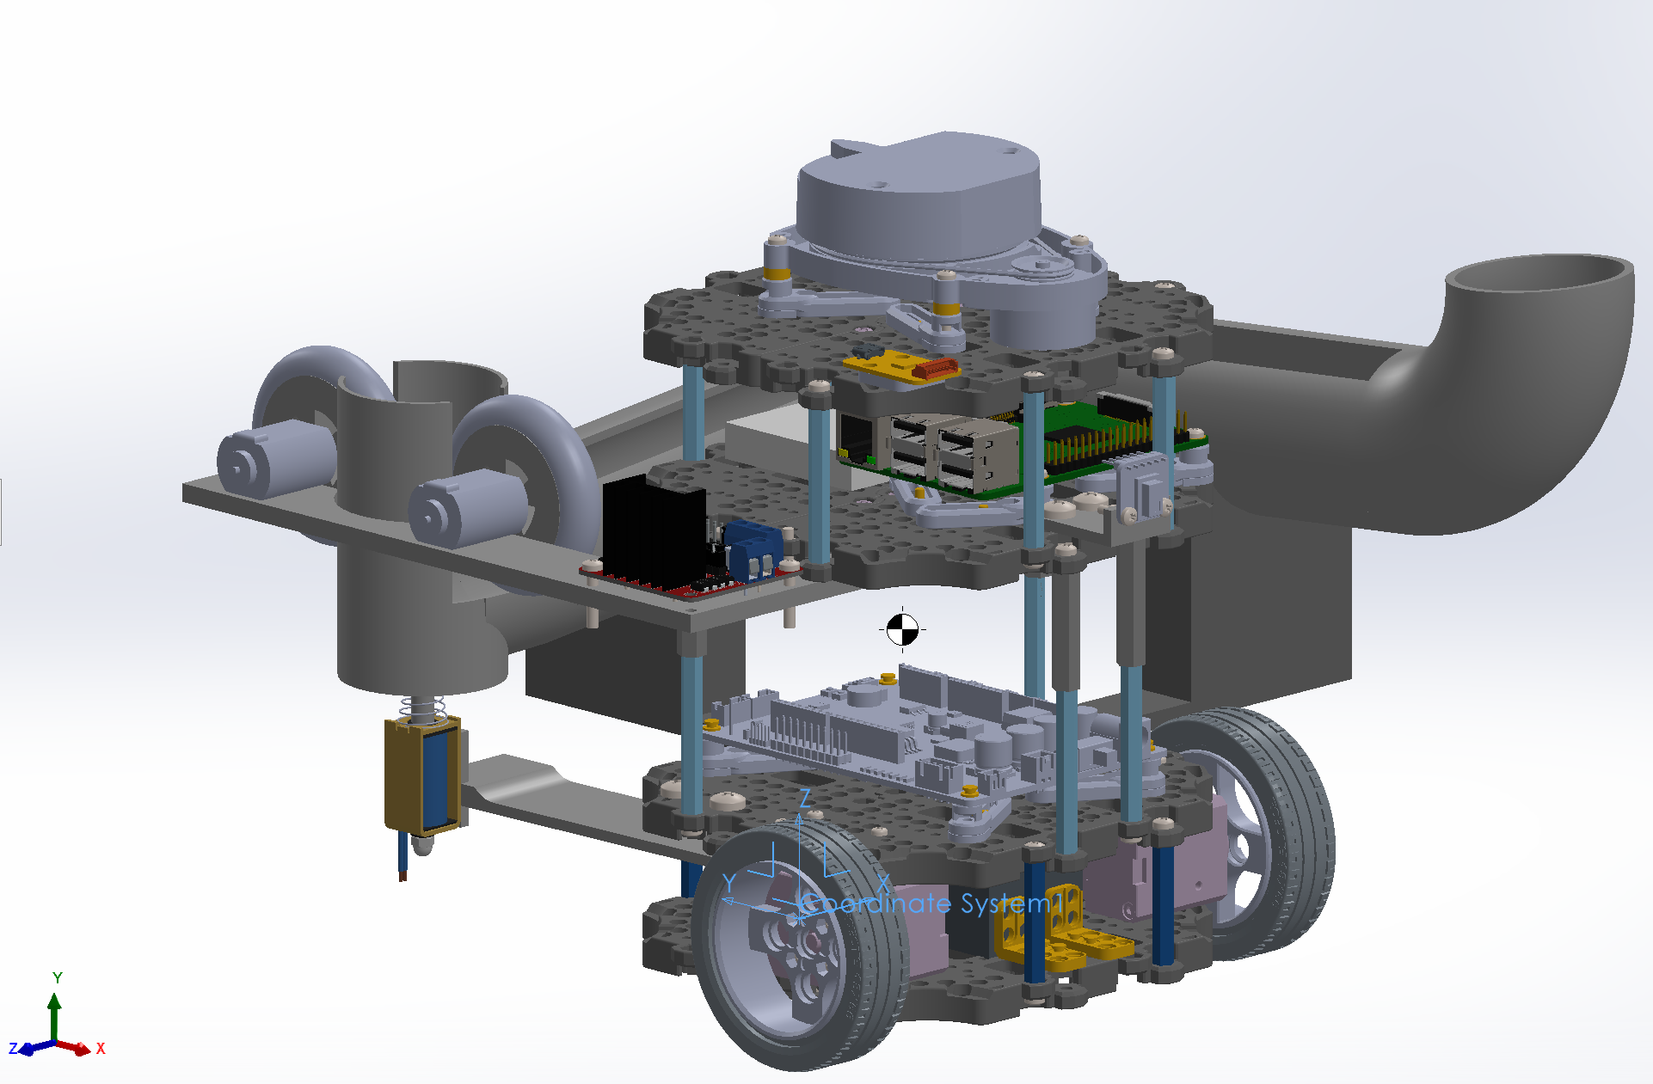
Part | Weight (kg) | CG |  |  | Remarks
 |  | x (cm) | y (cm) | z (cm)
Left Wheel | 0.027 | 0 | 0 | 0 | From perspective of front of robot | Estimation based on physical measurements
Left motor | 0.0565 | 2.5 | 2 | 0
Right Wheel | 0.027 | 16 | 0 | 0
Right motor | 0.0565 | 13.5 | 2 | 0
LiPo Battery | 0.139 | 7.6 | 4 | 0
Waffle Plate 1 | 0.0795 | 8 | 3 | -1 | Bottom plate (inc of x2 plates)
Waffle Plate 2 | 0.0795 | 8 | 3 | 2.5
Waffle Plate 3 | 0.0795 | 8 | 3 | 7
Waffle Plate 4 | 0.0795 | 8 | 3 | 13 | Top plate
Plate Support 1a | 0.00625 | 5 | -3 | 0 | Clockwise starting from closest to left wheel
Plate Support 1b | 0.00625 | 5 | 9.5 | 0
Plate Support 1c | 0.00625 | 9 | 9.5 | 0
Plate Support 1d | 0.00625 | 9 | -3 | 0
Plate Support 2a | 0.006429 | 1 | 5.5 | 5 | Clockwise starting from closest to left wheel
Plate Support 2b | 0.006429 | 14 | 5.5 | 5
Plate Support 2c | 0.006429 | 9.3 | -3 | 5
Plate Support 2d | 0.006429 | 7 | -3 | 5
Plate Support 2.5a | 0.006429 | 1 | 5.5 | 7 | Clockwise starting from closest to left wheel
Plate Support 2.5b | 0.006429 | 14 | 5.5 | 7
Plate Support 2.5c | 0.006429 | 9.3 | -3 | 7
Plate Support 2.5d | 0.006429 | 7 | -3 | 7
Plate Support 3a | 0.006429 | 1.5 | 1 | 12.5 | Clockwise starting from closest to left wheel
Plate Support 3b | 0.006429 | 5 | 9.5 | 12.5
Plate Support 3c | 0.006429 | 9 | 9.5 | 12.5
Plate Support 3d | 0.006429 | 14 | 1 | 12.5
Plate Support 3e | 0.006429 | 9 | -4 | 12.5
Plate Support 3f | 0.006429 | 5 | -4 | 12.5
OpenCR | 0.064 | 7.5 | 3.5 | 4
RPi | 0.047 | 9 | 2 | 13 | inclusive of SD card
USB2 LDS | 0.126 | 4.5 | 8 | 14
LiDAR | 0.127 | 8 | 2 | 16.5
AMG8833 | 0.00092 | 8 | -3.5 | 11.5
JF-0530B | 0.187 | 0.5 | 15 | 1
Support piece 1 | 0.00287 | 7.361 | -4.231 | 10.222 | for IR sensor | From solidworks, based off same origin
Support piece 2 | 0.06344 | 7.518 | 13.19 | 3.481 | back piece
Support piece 3 | 0.09518 | 19.395 | 3.223 | 4.452 | side piece
Support piece 4 | 0.04178 | -1.417 | 6.506 | 8.843 | motors + motor driver
Mounting Plate | 0.01376 | 2.5 | 9.5 | 1.2 | for solenoid actuator
Tube | 0.19588 | 14.626 | 7.133 | 8.594 | Launching mechanism
Left Flywheel Rim | 0.02144 | 0.5 | 18 | 11 |  | Estimation based on physical measurements
Left Flywheel Tyre | 0.02984 | 0.5 | 18 | 11
Left FC-130A-13220 | 0.02 | 1.5 | 18 | 11
Right Flywheel Rim | 0.02144 | 0.5 | 9 | 11
Right Flywheel Tyre | 0.02984 | 0.5 | 9 | 11
Right FC-130A-13220 | 0.02 | 1.5 | 9 | 11
Breadboard | 0.0135 | 9 | 6 | 13
L298N | 0.02 | 2 | 3 | 9

Total | 1.50795 | 7.0954695173 | 5.226183622 | 5.6261347961

